Sheet2
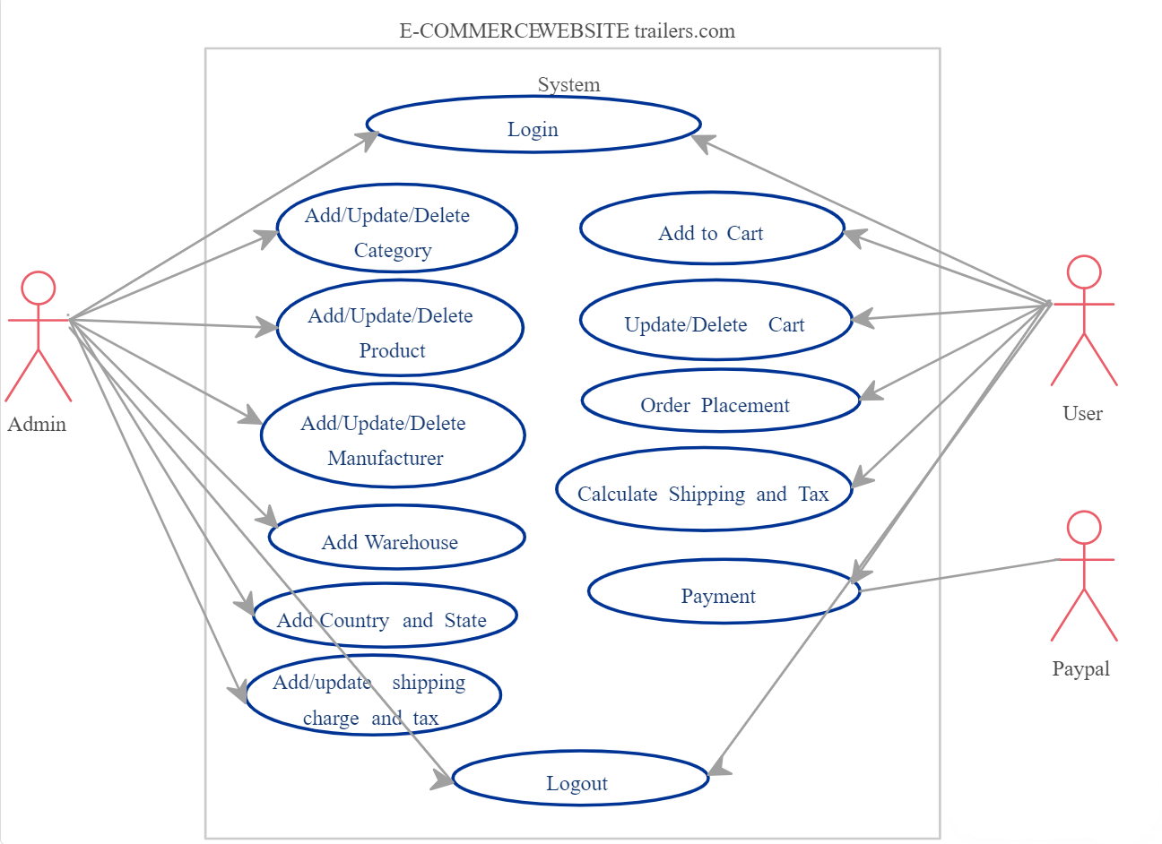
 |  |  | Software Testing Assignment
• What is SDLC
==> | Software development life cycle (SDLC) is a structured process that is used to design, develop, and test good-quality
 | software. SDLC, or software development life cycle, is a methodology that defines the entire procedure of software
 | development step-by-step

 | The goal of the SDLC life cycle model is to deliver high-quality, maintainable software that meets the user’s
 | requirements. SDLC in software engineering models outlines the plan for each stage so that each stage of the software
 | development model can perform its task efficiently to deliver the software at a low cost within a given time frame that
 | meets users’ requirements.

• What is software testing?
==> | Software testing is the process of evaluating and verifying that a software product or application does what it’s
 | supposed to do. The benefits of good testing include preventing bugs and improving performance.

 | Verify and validate application quality to ensure it meets user requirements

• What is SRS
 | software requirement specification (SRS) includes information about all the functional
 | and non-functional requirements for a given piece of software. The SRS serves as the
 | main point of reference for the software development them who'll build the software product ,
 | as well as for all other involved stakeholders.

 | # what are the components of a software requirement specification (SRS)?
 | * Introduction
 | * Product Description
 | * Software Requirements
 | * External Interface Requirements
 | * Non-Functional Requirements

.What is oops
 | As the name suggests, Object-Oriented Programming or OOPs refers to languages that use objects in programming.
 | Object-oriented programming aims to implement real-world entities like inheritance, hiding, polymorphism, etc in
 | programming. The main aim of OOP is to bind together the data and the functions that operate on them so that no other
 | part of the code can access this data except that function.

Write Basic Concepts of oops

 | There are four fundamental concepts of Object-oriented programming – Inheritance, Encapsulation, Polymorphism,
 | and Data abstraction. It is essential to know about all of these in order to understand OOPs.

What is object
 | An object is a noun or pronoun that receives the action done by the subject in a sentence. In a basic sentence structure such as SVO, it appears after the verb. The
 | general meaning of an object is a non-living thing that can be touched and seen. Though it refers to the same things, it has a different definition in grammar.

• What is class
 | A class is a blueprint or prototype that defines the variables and methods common to all objects of a certain kind. For example, you
 | could create a bicycle class that declares several instance variables to contain the current gear, the current cadence, and so on, for each
 | bicycle object.

• What is encapsulation
 | Encapsulation is a process of combining member functions and data members in a single unit called a class. The purpose
 | is to prevent access to the data directly

• What is polymorphism
 | Polymorphism in allows us to reuse code by creating one function that's usable for multiple uses. We can also make
 | operators polymorphic and use them to add not only numbers but also combine strings. This saves time and allows for a more
 | streamlined program.
• Write SDLC phases with basic introduction
 | SDLC is a structure imposed on the development of a software product that defines the process for planning, implementation, testing,
 | documentation, deployment, and ongoing maintenance and support.There are a number of different development models

 | SDLC Phases
 | 1 | Requirements
 |  | Collection/Gathering
 | 2 | Analysis
 | 3 | Design
 | 4 | Implementation /coding
 | 5 | Testing
 | 6 | Maintenance

• Explain Phases of the waterfall model

 | The phases of the waterfall model are requirement gathering,analysis and design, implementation, verification,
 | deployment, and maintenance. The project team is likely to spend a lot of time on the requirements phase as very detailed
 | and clear documentation is required.

• Write phases of spiral model
 | The spiral model has four phases: Planning, risk analysis, product development and next phase planning or Evaluation.
 | A software project repeatedly passes through these phases in terations (called Spirals in this model).

